One-line diagram of the system
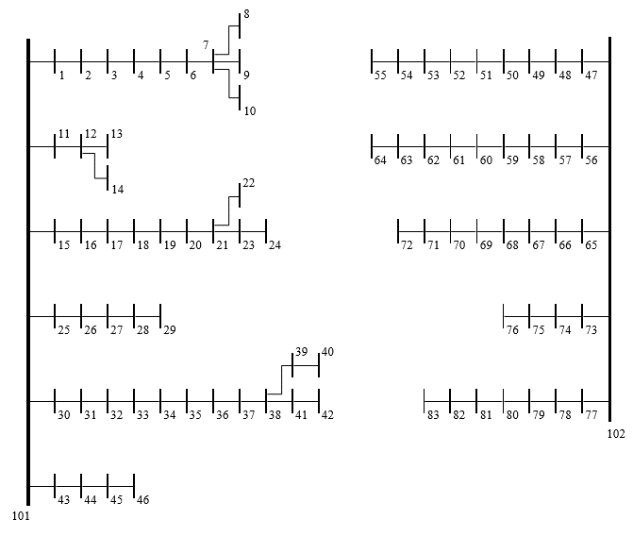
Substation nodes | 101, 102
Load nodes | 1–83

